Solver Practice
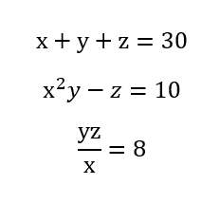
Calculation 1
 | x | 4.6488025988 | Equation 1 | 30
 | y | 1.5634260216 | Equation 2 | 9.9999999661
 | z | 23.78777138 | Equation 3 | 7.9999999959

Calculation 2
 | x | 9.6363634609 | Objective Function | 547.52065344
 | y | 26.909091026 | Constraint | 100
 | z | 9.6363634609

Calculation 3
 | x | 3.0550504489 | Objective Function | 27.666666491
 | y | 3 | Constraint | 27.999999736
 | z | 3.0550504489

3.3 Return, Vol, Covariance
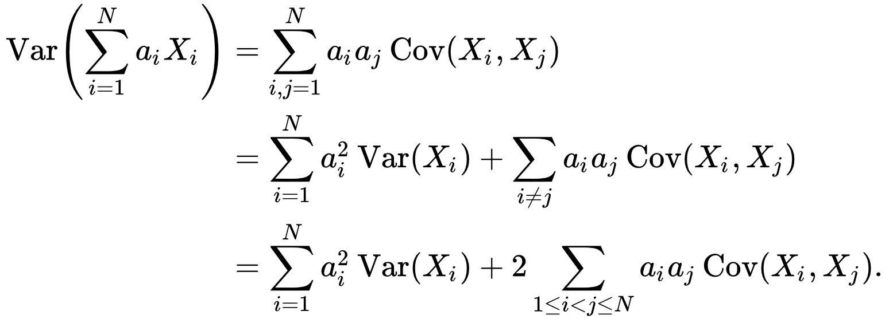
Total Returns and Volatility |  |  |  |  | Covariance Matrix

 | Total Return | Volatility (σ) | Weight | $100,000 |  | P | B | PE | C
Public Equity (P) | 5% | 15% | 45% | $44,787 | P | 2.25% | 0.56% | -2.25% | -
Bonds (B) | 2% | 5% | 5% | $5,000 | B | 0.56% | 0.25% | -0.38% | -
Private Equity (PE) | 10% | 30% | 23% | $23,368 | PE | -2.25% | -0.38% | 9.00% | -
Cash (C) | 1% | 0% | 27% | $26,845 | C | - | - | - | -
Total | 4.81% | 6.99% | 100%
Requirement:
1. You start with 100K USD
2. You can invest in Stocks, Bonds, PE, or simply deposit the cash into your bank 你可以投资股票债券 基金和现金这几个类别投资
3. None of your weight should be more than 50% and less than 5%, for diversification purpose 每个资产类别不能超过50%不低于5%
4. Your portfolio risk 投资组合 should be equivalent to a 75% Equity 股票 + 25% Bond portfolio 债券
Question:
1. What's the optimal allocation? What's the optimized return and volatility?
2. What's the Sharpe Ratio based on 2Yr Treasury Rate?
Max |  |  | 45%
Min |  |  | 5%

Total Portfolio Size |  | $100,000

Target Portfolio Volatility |  | 6.99% |  | Sharpe Ratio = Extra Reward on top Risk Free Rate/Extra Risk you took
 |  |  |  | Sharpe Ratio = Extra Reward on top of Risk Free Rate/Volatility
Total Portfolio Return |  | 4.81%
 |  |  |  | Information Ratio = Extra Reward/Extra Risk with reference to a particular benchmark
Risk Free Rate |  | 0.50%

Sharpe Ratio |  | 0.62
Asset Class Allocation

Index Time Series
Equity and Debt Index Level
Weight | 75% | 25% |  | 75% | 25%
 | Equity Level | Bond Level |  | Equity Level Monthly Return 每个月的回报率 | Bond Level Monthly Return | Hybrid Index | Index Price Chart
2012-12-31 | 100.00 | 100.00 |  | - | -
2013-01-31 | 105.18 | 100.12 |  | 5.18% | 0.12% | 3.9%
2013-02-28 | 108.59 | 100.22 |  | 3.24% | 0.10% | 2.5%
2013-03-31 | 109.78 | 100.31 |  | 1.10% | 0.10% | 0.8%
2013-04-30 | 112.15 | 100.43 |  | 2.16% | 0.12% | 1.6%
2013-05-31 | 115.33 | 100.54 |  | 2.83% | 0.11% | 2.2%
2013-06-30 | 114.76 | 100.63 |  | -0.49% | 0.09% | -0.3%
2013-07-31 | 117.56 | 100.75 |  | 2.44% | 0.12% | 1.9%
2013-08-31 | 118.24 | 100.86 |  | 0.58% | 0.10% | 0.5%
2013-09-30 | 121.07 | 100.96 |  | 2.39% | 0.10% | 1.8%
2013-10-31 | 127.60 | 101.08 |  | 5.40% | 0.11% | 4.1%
2013-11-30 | 131.90 | 101.18 |  | 3.37% | 0.10% | 2.6%
2013-12-31 | 135.03 | 101.29 |  | 2.37% | 0.11% | 1.8%
2014-01-31 | 136.45 | 101.40 |  | 1.06% | 0.11% | 0.8%
2014-02-28 | 142.19 | 101.50 |  | 4.20% | 0.10% | 3.2%
2014-03-31 | 142.17 | 101.61 |  | -0.02% | 0.10% | 0.0%
2014-04-30 | 142.91 | 101.71 |  | 0.52% | 0.11% | 0.4%
2014-05-31 | 144.39 | 101.82 |  | 1.04% | 0.10% | 0.8% | Return Chart
2014-06-30 | 144.27 | 101.93 |  | -0.09% | 0.11% | 0.0%
2014-07-31 | 145.33 | 102.04 |  | 0.74% | 0.11% | 0.6%
2014-08-31 | 147.90 | 102.14 |  | 1.76% | 0.10% | 1.3%
2014-09-30 | 148.25 | 102.25 |  | 0.24% | 0.11% | 0.2%
2014-10-31 | 150.39 | 102.37 |  | 1.45% | 0.11% | 1.1%
2014-11-30 | 155.07 | 102.46 |  | 3.11% | 0.10% | 2.4%
2014-12-31 | 154.99 | 102.58 |  | -0.05% | 0.12% | 0.0%
2015-01-31 | 166.82 | 102.74 |  | 7.63% | 0.15% | 5.8%
2015-02-28 | 173.71 | 102.82 |  | 4.13% | 0.08% | 3.1%
2015-03-31 | 173.76 | 102.91 |  | 0.03% | 0.09% | 0.0%
2015-04-30 | 170.34 | 103.00 |  | -1.97% | 0.08% | -1.5%
2015-05-31 | 176.00 | 103.08 |  | 3.33% | 0.08% | 2.5%
2015-06-30 | 171.91 | 103.17 |  | -2.33% | 0.09% | -1.7%
2015-07-31 | 182.03 | 103.30 |  | 5.89% | 0.13% | 4.4%
2015-08-31 | 173.98 | 103.36 |  | -4.42% | 0.06% | -3.3%
2015-09-30 | 169.03 | 103.43 |  | -2.85% | 0.06% | -2.1%
2015-10-31 | 178.16 | 103.49 |  | 5.40% | 0.06% | 4.1%
2015-11-30 | 180.39 | 103.56 |  | 1.25% | 0.07% | 1.0%
2015-12-31 | 185.04 | 103.63 |  | 2.58% | 0.07% | 2.0%
2016-01-31 | 176.34 | 103.71 |  | -4.70% | 0.07% | -3.5%
2016-02-29 | 168.56 | 103.78 |  | -4.41% | 0.07% | -3.3%
2016-03-31 | 172.09 | 103.86 |  | 2.09% | 0.07% | 1.6%
2016-04-30 | 169.38 | 103.93 |  | -1.57% | 0.06% | -1.2%
2016-05-31 | 177.78 | 104.01 |  | 4.96% | 0.08% | 3.7%
2016-06-30 | 174.74 | 104.09 |  | -1.71% | 0.07% | -1.3%
2016-07-31 | 182.96 | 104.16 |  | 4.71% | 0.07% | 3.5%
2016-08-31 | 184.38 | 104.25 |  | 0.78% | 0.08% | 0.6%
2016-09-30 | 185.81 | 104.32 |  | 0.77% | 0.07% | 0.6%
2016-10-31 | 185.87 | 104.40 |  | 0.03% | 0.08% | 0.0%
2016-11-30 | 188.99 | 104.48 |  | 1.67% | 0.07% | 1.3%
2016-12-31 | 193.01 | 104.56 |  | 2.13% | 0.07% | 1.6%
2017-01-31 | 192.40 | 104.64 |  | -0.32% | 0.08% | -0.2%
2017-02-28 | 200.96 | 104.72 |  | 4.45% | 0.08% | 3.4%
2017-03-31 | 204.81 | 104.80 |  | 1.92% | 0.08% | 1.5%
2017-04-30 | 213.20 | 104.88 |  | 4.10% | 0.08% | 3.1%
2017-05-31 | 215.64 | 104.97 |  | 1.15% | 0.09% | 0.9%
2017-06-30 | 208.24 | 105.05 |  | -3.43% | 0.07% | -2.6%
2017-07-31 | 205.39 | 105.11 |  | -1.37% | 0.06% | -1.0%
2017-08-31 | 206.20 | 105.22 |  | 0.39% | 0.11% | 0.3%
2017-09-30 | 210.34 | 105.33 |  | 2.01% | 0.10% | 1.5%
2017-10-31 | 221.37 | 105.47 |  | 5.25% | 0.13% | 4.0%
2017-11-30 | 225.99 | 105.59 |  | 2.09% | 0.11% | 1.6%
2017-12-31 | 222.90 | 105.70 |  | -1.37% | 0.10% | -1.0%
 |  |  | Avg Monthly Return | 1.38% | 0.09%
 |  |  | Annualized Return | 17.88% | 1.11% | 13.20%
 |  |  | Monthly Vol | 2.69% | 0.02% | 2.02% |  | 12x Var(X) = Annualized Variance
 |  |  | Annual Vol | 9.31% | 0.07% | 6.99% |  | Sqrt(12) x Vol(X) = Annualized Volatility
 |  |  | Correlation |  | 42.47%
 |  |  | Weighted Var | 0.49% | 0.0000031%
 |  |  | Hybrid Var | 0.48865%
 |  |  | Hybrid Vol | 6.99%
 |  |  | Benchmark Return | 13.46%
 |  |  | Risk Free Rate | 2.58%
 |  |  | Sharpe Ratio | 1.56

